CMD
 | need to have python 2.7 installed
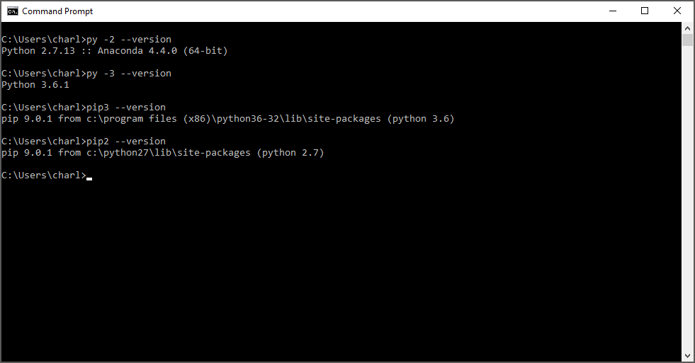

 | pip for multiple python versions
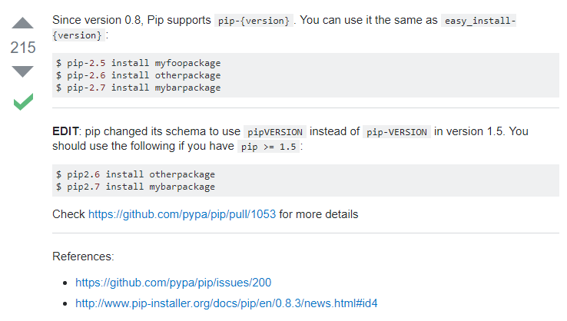

 | install dateutil module |  | pip install python-dateutil

CMD to run wordcount on dataflow

 | (command is not working in this multi line form) |  |  | (command is working in this single line form)
 | python -m apache_beam.examples.wordcount \ |  |  | python -m apache_beam.examples.wordcount --project sweetgooseberry-145819 --job_name sweetgooseberry-145819-wordcount --runner DataflowRunner --staging_location gs://sweet-gooseberry-upload/IRR_CF_Engine/staging --temp_location gs://sweet-gooseberry-upload/IRR_CF_Engine/temp --output gs://sweet-gooseberry-upload/IRR_CF_Engine/output/wordcount-results --num_workers=50
 | --project sweetgooseberry-145819 \
 | --job_name sweetgooseberry-145819-wordcount \
 | --runner DataflowRunner \
 | --staging_location gs://sweet-gooseberry-upload/IRR_CF_Engine/staging \
 | --temp_location gs://sweet-gooseberry-upload/IRR_CF_Engine/temp \
 | --output gs://sweet-gooseberry-upload/IRR_CF_Engine/output/wordcount-results \
 | --num_workers=50

 | PROJECT | sweetgooseberry-145819
 | BUCKET | gs://sweet-gooseberry-upload/IRR_CF_Engine/temp/

Main findings
 | output files of the same name will overwrite between different runs |  |  |  | cmd
 | it took 5.5 mins to run, whether on 1 or 50 worker node |  |  | 50 workers | python -m apache_beam.examples.wordcount --project sweetgooseberry-145819 --job_name sweetgooseberry-145819-wordcount --runner DataflowRunner --staging_location gs://sweet-gooseberry-upload/IRR_CF_Engine/staging --temp_location gs://sweet-gooseberry-upload/IRR_CF_Engine/temp --output gs://sweet-gooseberry-upload/IRR_CF_Engine/output/wordcount-results --num_workers=50
 | target 50 workers seems to never be reached (ran at 20+) (due to quota?) |  |  | 1 worker | python -m apache_beam.examples.wordcount --project sweetgooseberry-145819 --job_name sweetgooseberry-145819-wordcount --runner DataflowRunner --staging_location gs://sweet-gooseberry-upload/IRR_CF_Engine/staging --temp_location gs://sweet-gooseberry-upload/IRR_CF_Engine/temp --output gs://sweet-gooseberry-upload/IRR_CF_Engine/output/wordcount-results --num_workers=1
 | when specified 1 worker, results are in 3 segments
 | equally, when specifying 50 workers, results are in 150 segments

CMD to run wordcount locally

 | python -m apache_beam.examples.wordcount --output C:\IRR_CF_Results\word-count-output

Monitoring
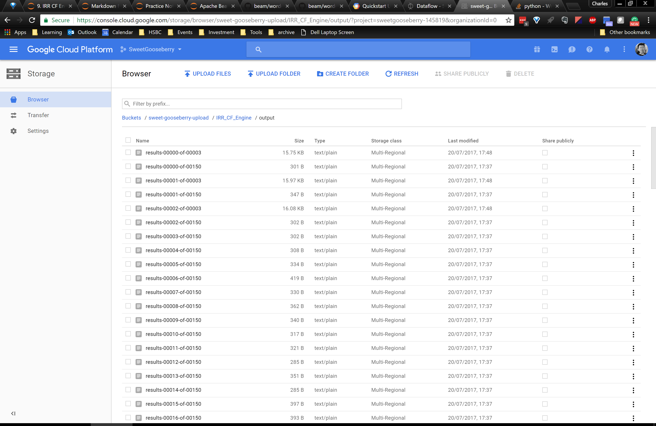
Web UI to monitor dataflow progress
 | https://console.cloud.google.com/dataflow?project=sweetgooseberry-145819&organizationId=433637338589

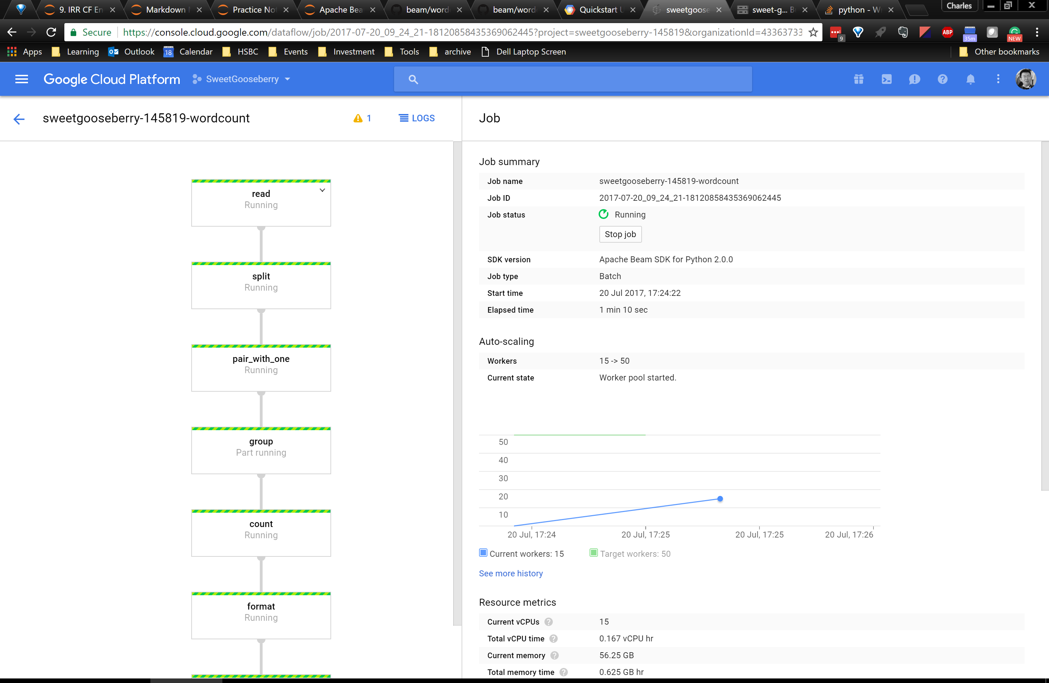

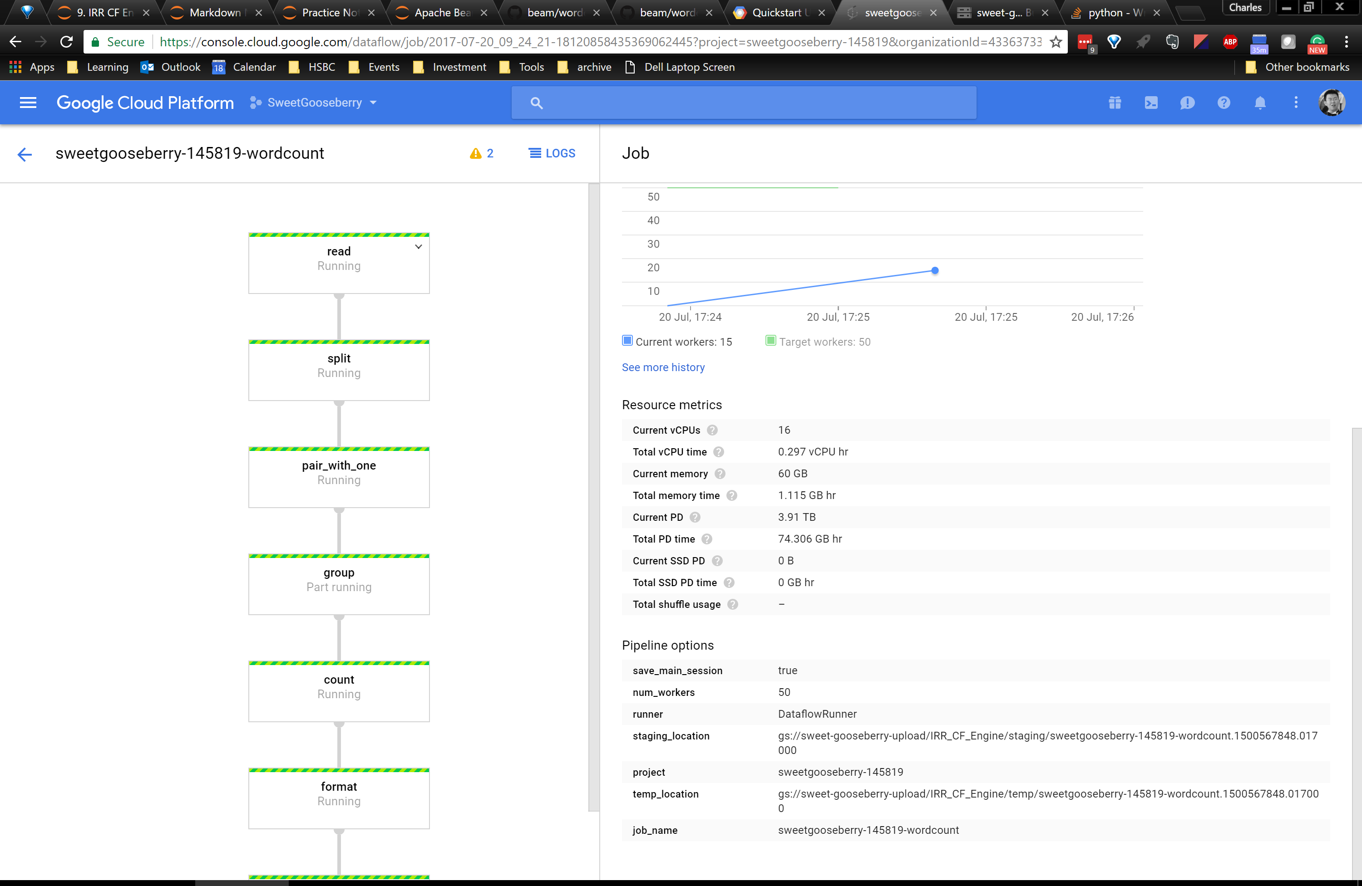

distributed processing outputs highly fragmented results


when specified 1 worker, results are in 3 segments
 | when specified 1 worker, results are in 3 segments
 | equally, when specifying 50 workers, results are in 150 segments

Cloud SDK
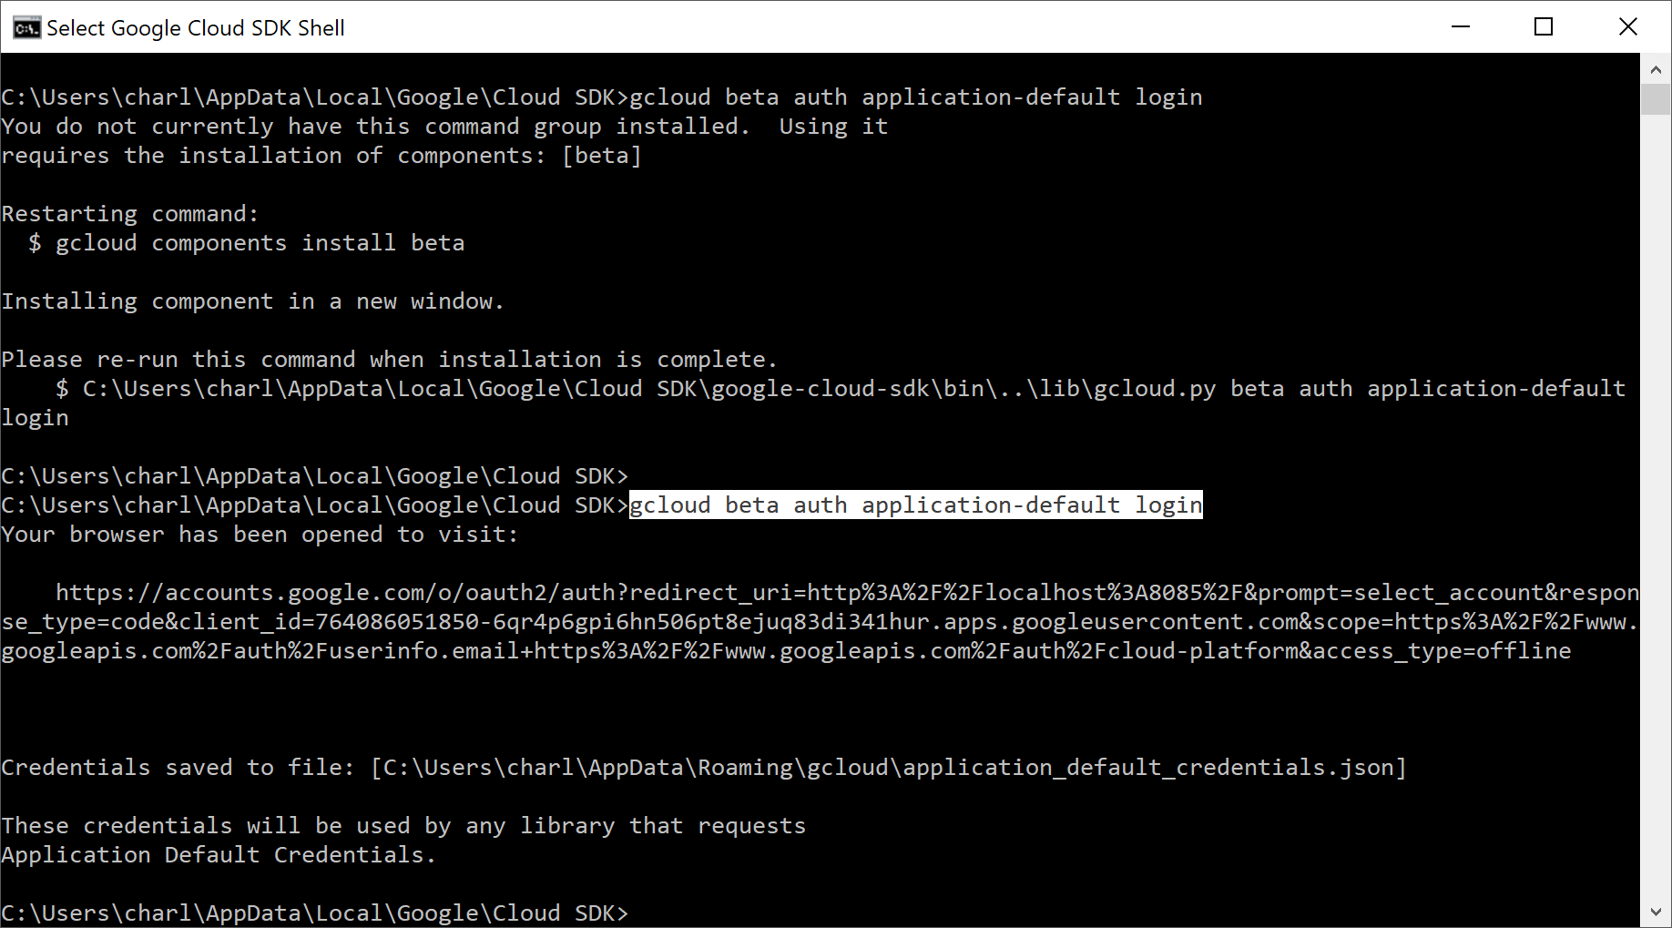
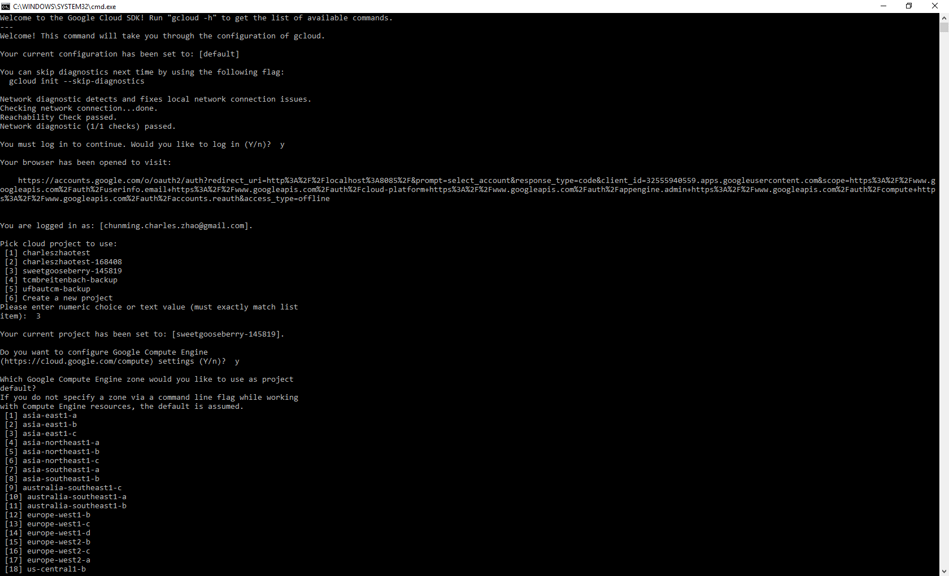

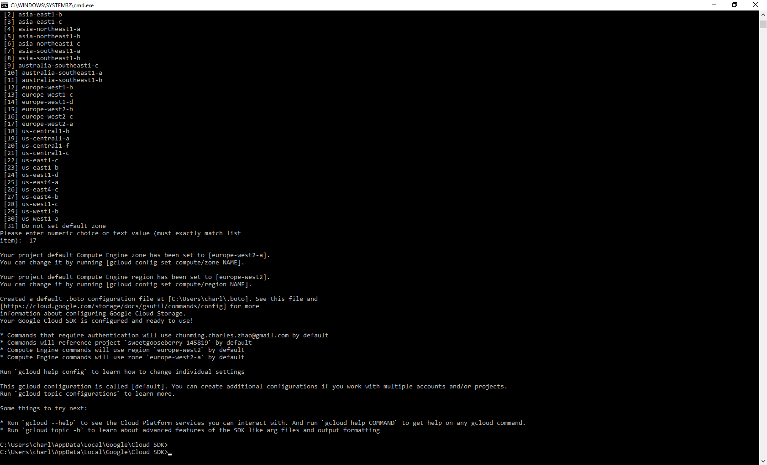

doc on regions and zones
https://cloud.google.com/compute/docs/regions-zones/regions-zones#available

create Application Default Credentials wit Google Cloud SDK Shell
gcloud beta auth application-default login | https://developers.google.com/identity/protocols/application-default-credentials
may need to run beta updates before executing | https://cloud.google.com/sdk/gcloud/reference/beta/auth/application-default/login

Multiple Python Versions
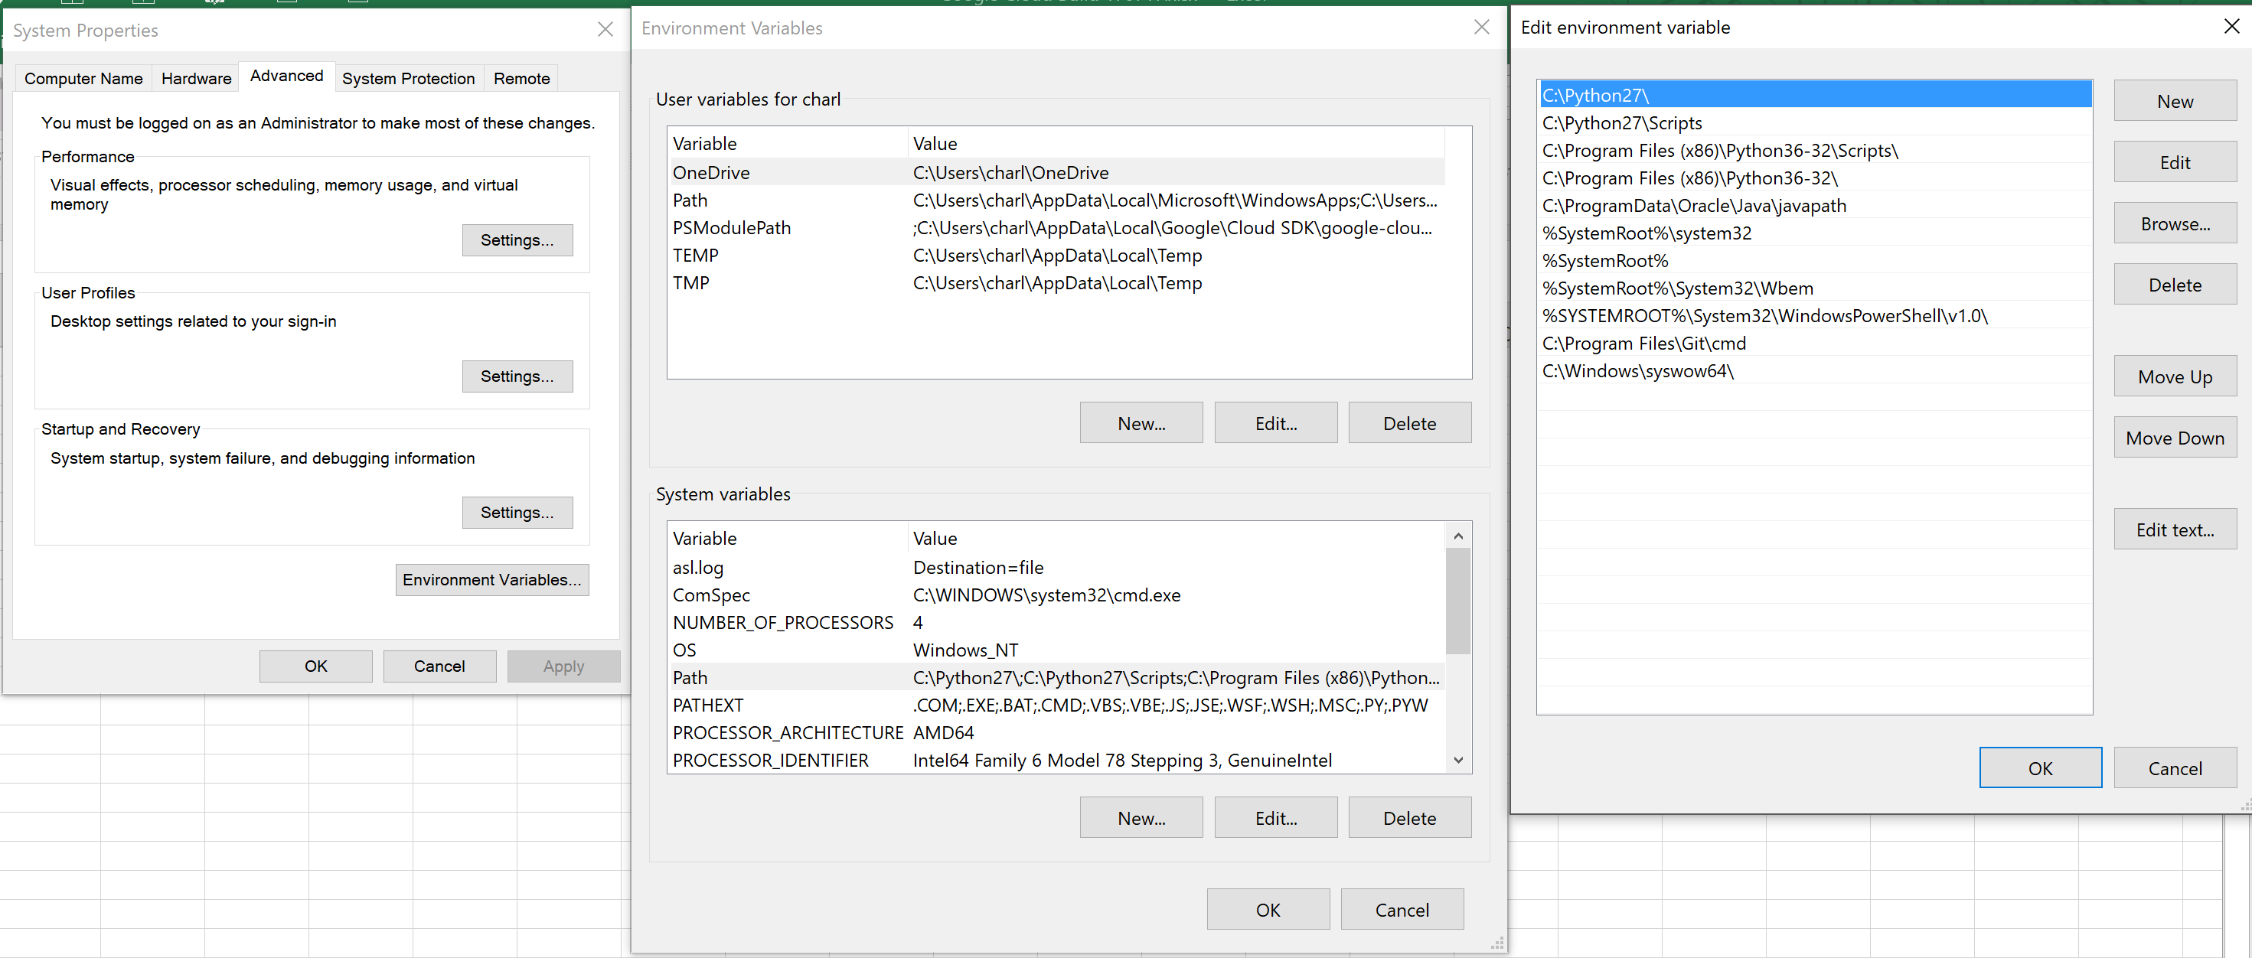
to make python 2.7 the default version (eg when typing "python" in cmd) set its path to higher position in system variable

Jupyter
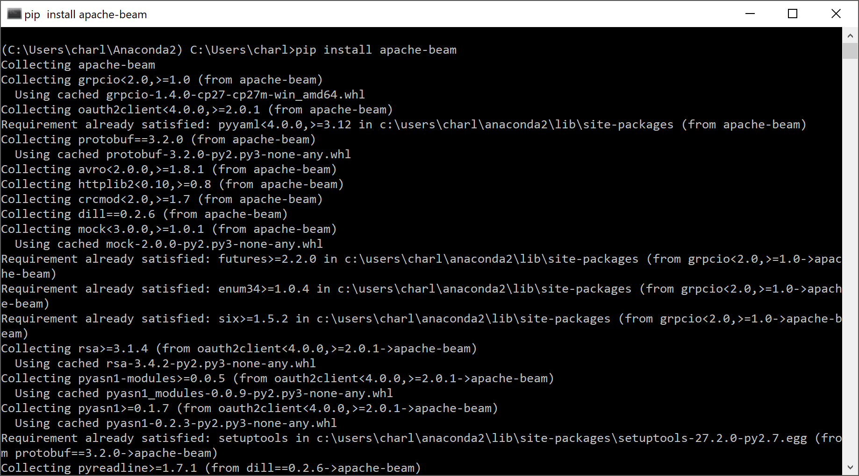
install apache beam for jupyter
need to run pip in the anaconda prompt
 | pip install apache-beam | installing apache beam for default jupyter v2.x
 | pip install apache-beam[gcp] | install gcp specific components for beam

